Sheet1
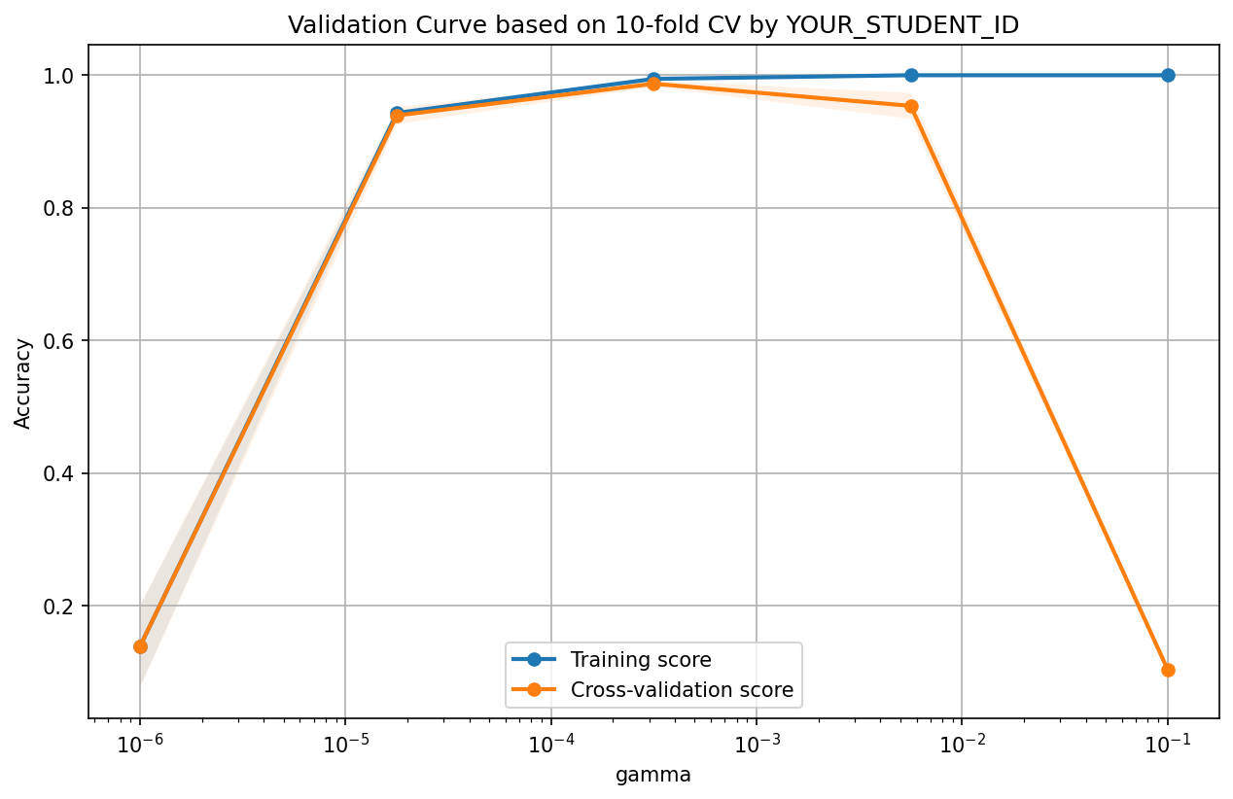
Coding Assignment-3
No. | Questions | Answers | Points | Notes
Q1-1 | Copy and paste the generated validation curve (fittng graph) |  | 10 | Paste your plot to the right
Q1-2 | According the fitting graph of SVC with different gamma, we could know when gamma is larger, the learned SVC will be (A-more complex, B-less complex, C-the same) | A | 5 | Any of A,B,C
Q1-3 | According the fitting graph of SVC with different gamma, the best gamma falls into (A-between 10-6 and 10-5,B-between 10-4 and 10-3, C-between 10-5 and 10-4,D-between 10-3 and 10-2,, E-between 10-2 and 10-1) | B | 5 | Any of A,B,C, D,E

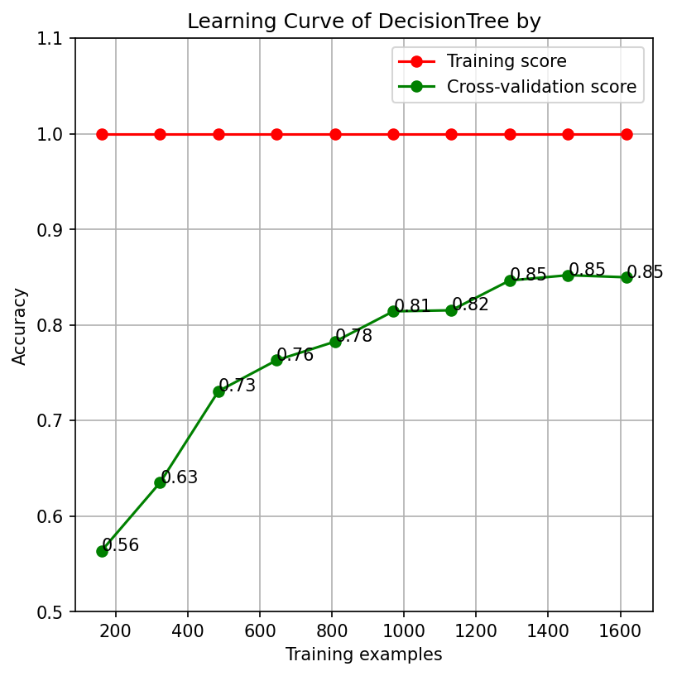
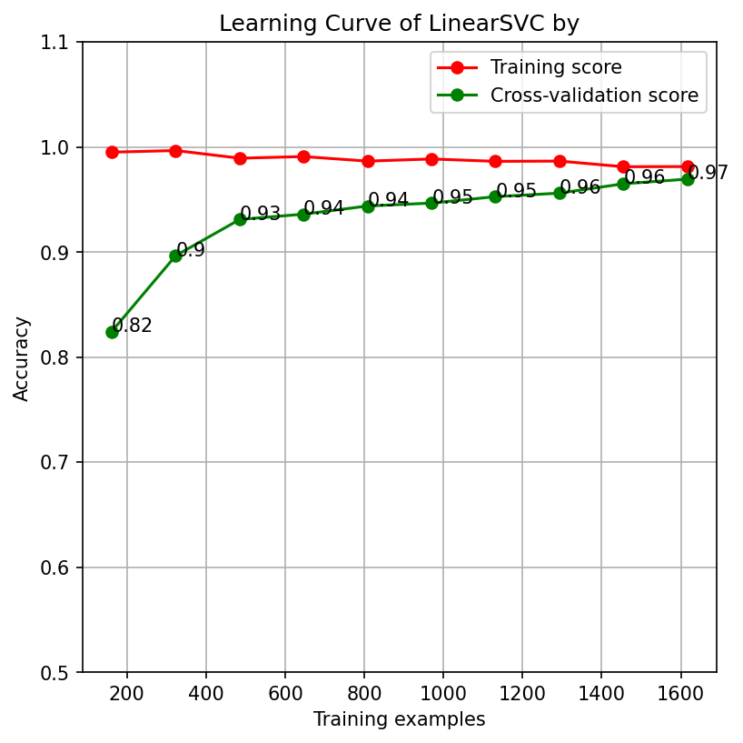
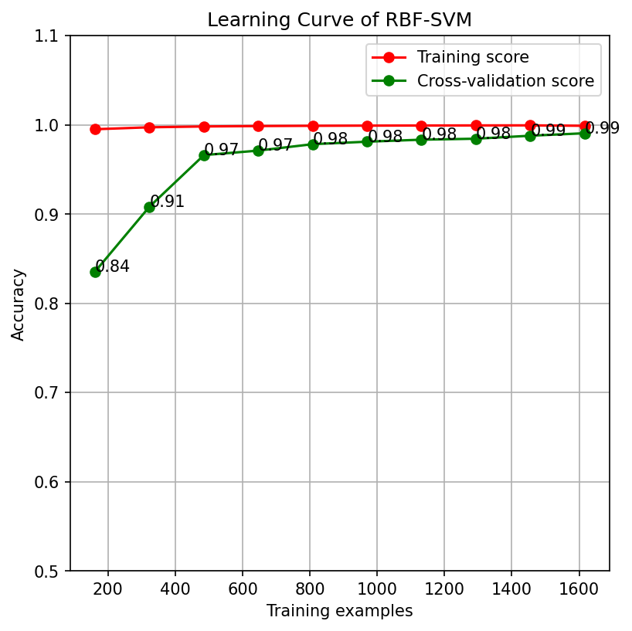
Q2-1 | After applying GridSearchCV to select the best 'C' from C_candidates, and the best 'gamma' from gamma_candidates in combination for SVC model, the best 'C' is | 1.000 | 10 | [0.001,0.005,0.01,0.05,0.1,0.5,1,5,10,50,100,1000]
Q2-1 | After applying GridSearchCV to select the best 'C' from C_candidates, and the best 'gamma' from gamma_candidates in combination for SVC model, the best 'gamma' is | 0.001 | 10 | [0.00001,0.00005,0.0001,0.0005,0.001,0.005,0.01,0.05,0.1]

Q3-1 | Copy and paste the generated learning curve of DecisionTree |  | 8 | Paste your plot to the right
Q3-2 | When increasing the number of training examples from 10% (~180 examples) to 40%(~720 examples), which model(RBF-SVM, LinearSVC, DecisionTree) will be improved least in accuracy? | DecisionTree | 6 | One from [RBF-SVM, LinearSVC, DecisionTree]
Q3-3 | Please list the three models(RBF-SVM, LinearSVC, DecisionTree) in the order from best to worst based on their learning capacity on the whole training data? | [RBF-SVM, LinearSVC, DecisionTree] | 6 | Ordered list of [RBF-SVM, LinearSVC, DecisionTree]

Q4-1 | Copy and paste the 2-d plot of results from Plain Logistic Regression model which is trained on the extended 3-d training dataset. |  | 7 | Paste your plot to the right |  | 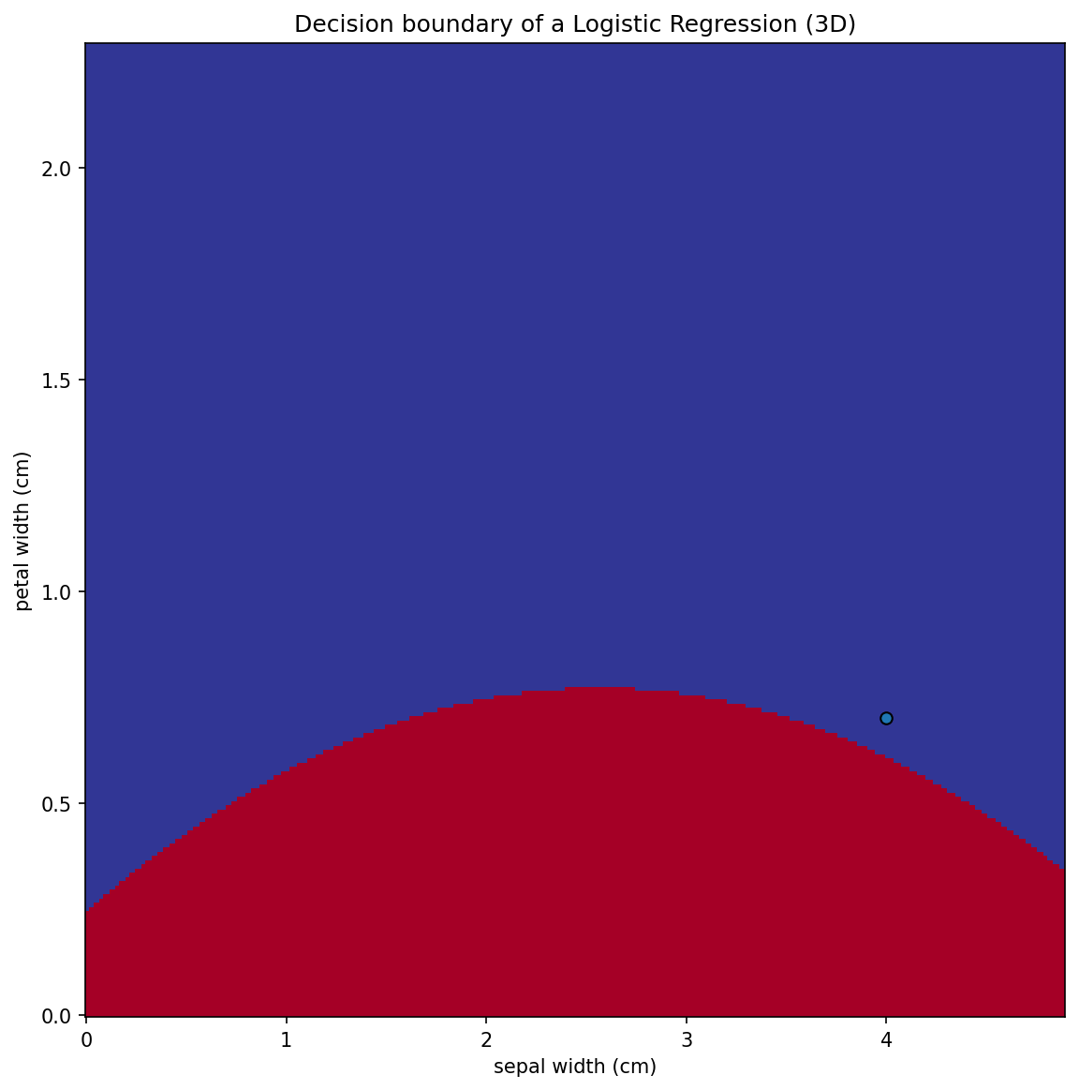
Q4-2 | Copy and paste the 2-d plot of results from LinearSVC model which is trained on the extended 3-d training dataset. |  | 7 | Paste your plot to the right | 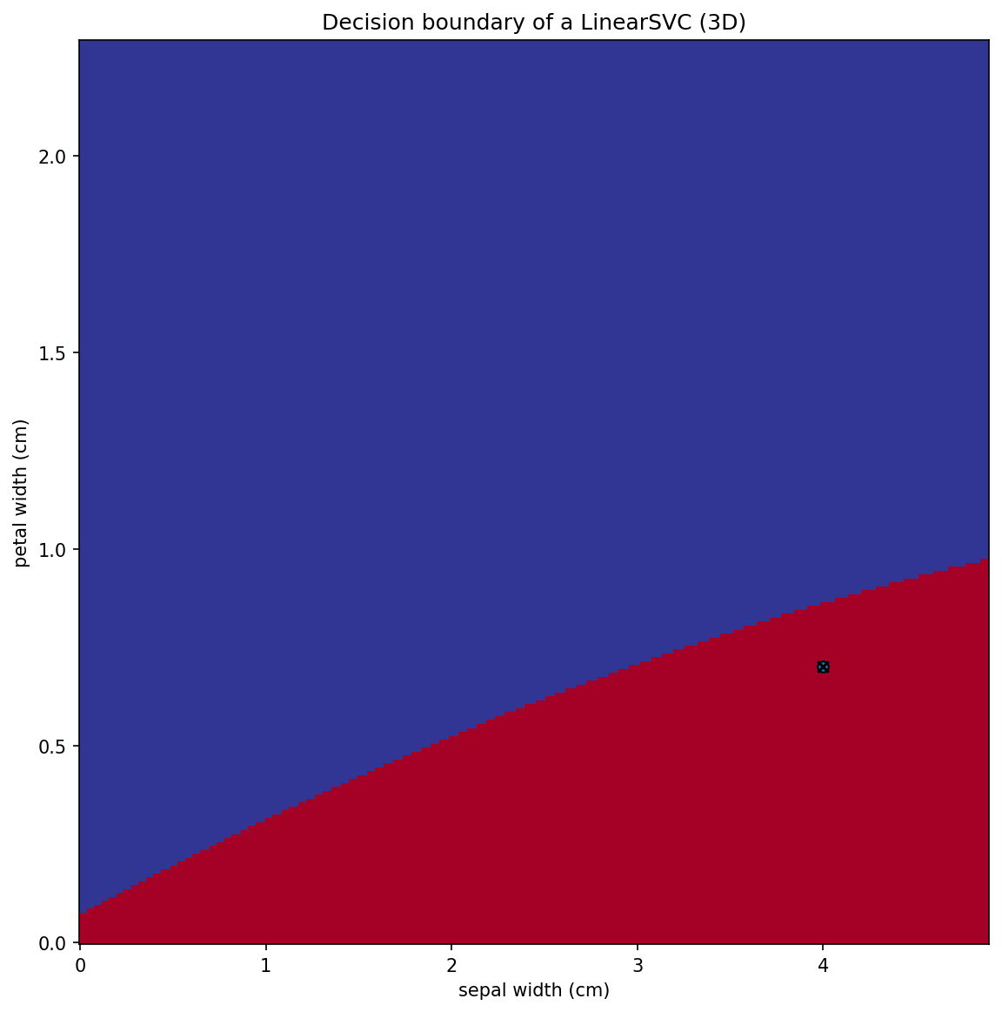
Q4-3 | When both being trained on the extened 3-d features, which models is more sensitive to outliers in the given training data. | LinearSVC | 3 | Plain Logistic Regression model, or LinearSVC
Q4-4 | How does the sensitivity to outliers of the Plain Logistic Regression model trained on the extended 3-D feature compare to that of the model trained on the original 2-D feature? | decrease | 3 | increase, decrease, or unchanged

Q5-1 | What is the mean Macro-F1 score obtained through simplified nested cross-validation for the Logistic Regression model, using the optimal 'solver' from the solver_candidates, when wrapped in a OneVsOneClassifier? | 0.966 | 8 | Rounding to 3 decimal places
Q5-2 | What is the mean Macro-F1 score achieved through simplified nested cross-validation for the Logistic Regression model, utilizing the best 'solver' from the solver_candidates, when wrapped in a OneVsRestClassifier? | 0.953 | 8 | Rounding to 3 decimal places
Q5-3 | Based on the performance evaluation results recorded above, which method—OneVsRestClassifier or OneVsOneClassifier—demonstrated better performance? | OneVsOneClassifier | 4 | OneVsOneClassifier or OneVsRestClassifier

